Sheet1
Reference https://rubygarage.org/blog/most-basic-git-commands-with-examples | https://rubygarage.org/blog/most-basic-git-commands-with-examples

Login to GIT
First go to your project folder in cmd prompt
Type the following commands
git config --global user.name "username"
git config --global user.email "email"

In order to set the color for outputs
git config --global color.ui true

To see all the cong details as a list
git config --list

Starting a New Local Repository with Git
You are already in the current directory and you need to enter the following command
git init

C:\Development\Robot-Scripts\PythonPractice>git init
Initialized empty Git repository in C:/Development/Robot-Scripts/PythonPractice/.git/

Once you run "git init", Git will initialize a hidden directory called ".git" in the project's root directory

Checking the status of your files
git status

C:\Development\Robot-Scripts\PythonPractice>git status
On branch master

No commits yet

Untracked files:
(use "git add <file>..." to include in what will be committed)
.idea/
PythonStrings.py

nothing added to commit but untracked files present (use "git add" to track)

Staging Files with Git/ Adding files to Staging area

git add filename
OR
git add .

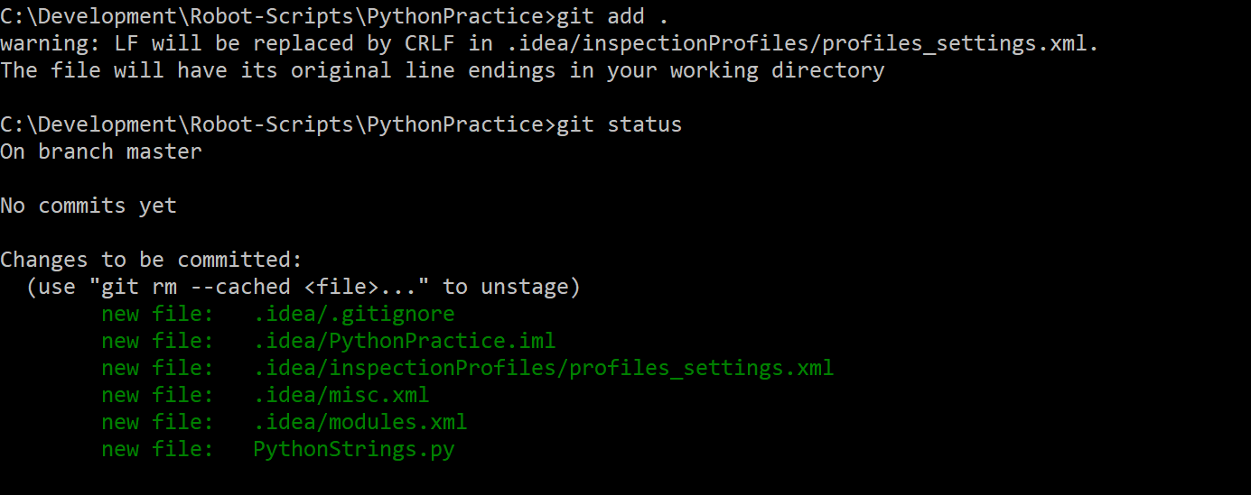
C:\Development\Robot-Scripts\PythonPractice>git add .
warning: LF will be replaced by CRLF in .idea/inspectionProfiles/profiles_settings.xml.
The file will have its original line endings in your working directory

C:\Development\Robot-Scripts\PythonPractice>git status
On branch master

No commits yet

Changes to be committed:
(use "git rm --cached <file>..." to unstage)
new file: .idea/.gitignore
new file: .idea/PythonPractice.iml
new file: .idea/inspectionProfiles/profiles_settings.xml
new file: .idea/misc.xml
new file: .idea/modules.xml
new file: PythonStrings.py

There's a problem with the "git add ." command. Since we're currently working in the root directory, "git add ." will only add files located in the root directory. But the root directory may contain many other directories with files. How can we add files from those other directories plus the files in the root directory to the staging area? Git offers the command below:

git add -all
OR
git add -A

Remove files from staging areas
git rm --cached filename

After removing the above files, added the files again. Below, going to commit them to the repository

Committing files to the git repository
git commit -m "Message"

Binding Remote repository to your local repository

First create a new repository which you want to connect to your local repository
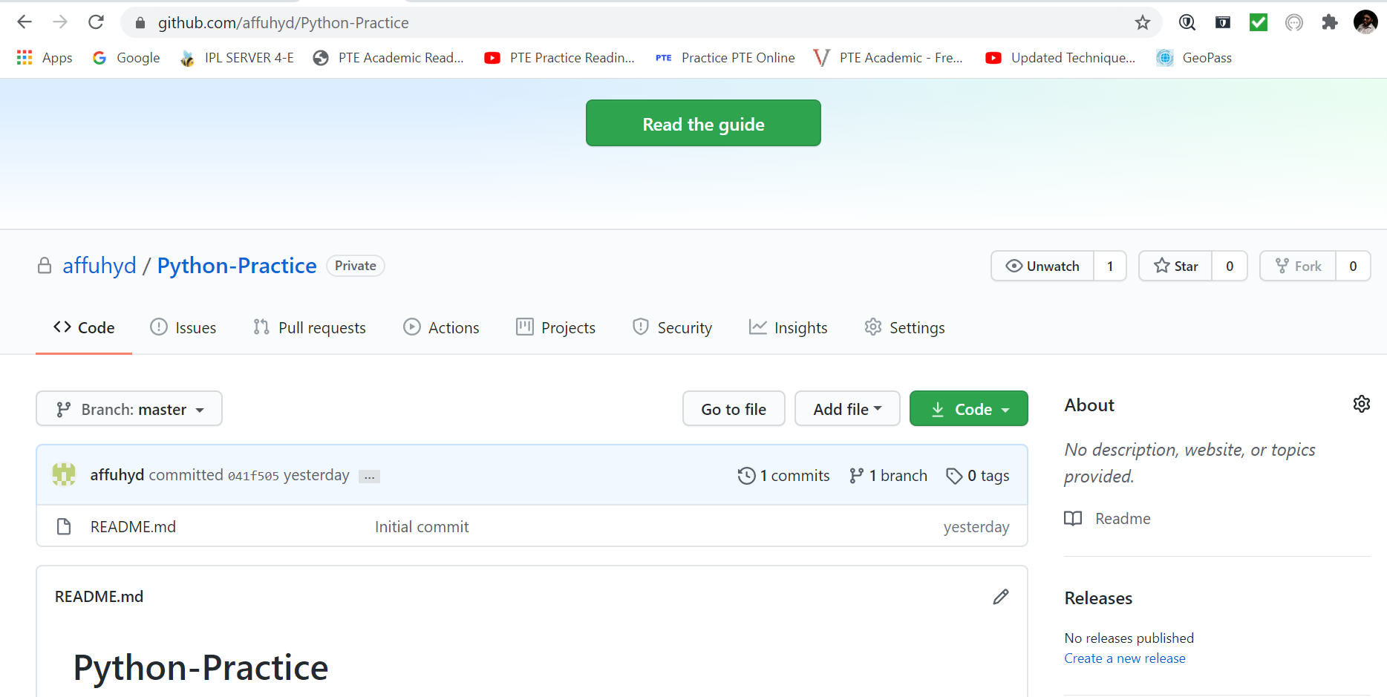

Use the below command to bind/connect remote repository to local repository

git remote add origin <repository link.git>

Pushing the code from local to remote repository
git push -u origin master

